DRA
Pre-Construction and Information and Design Risk Register |  |  |  |  |  |  |  |  |  | 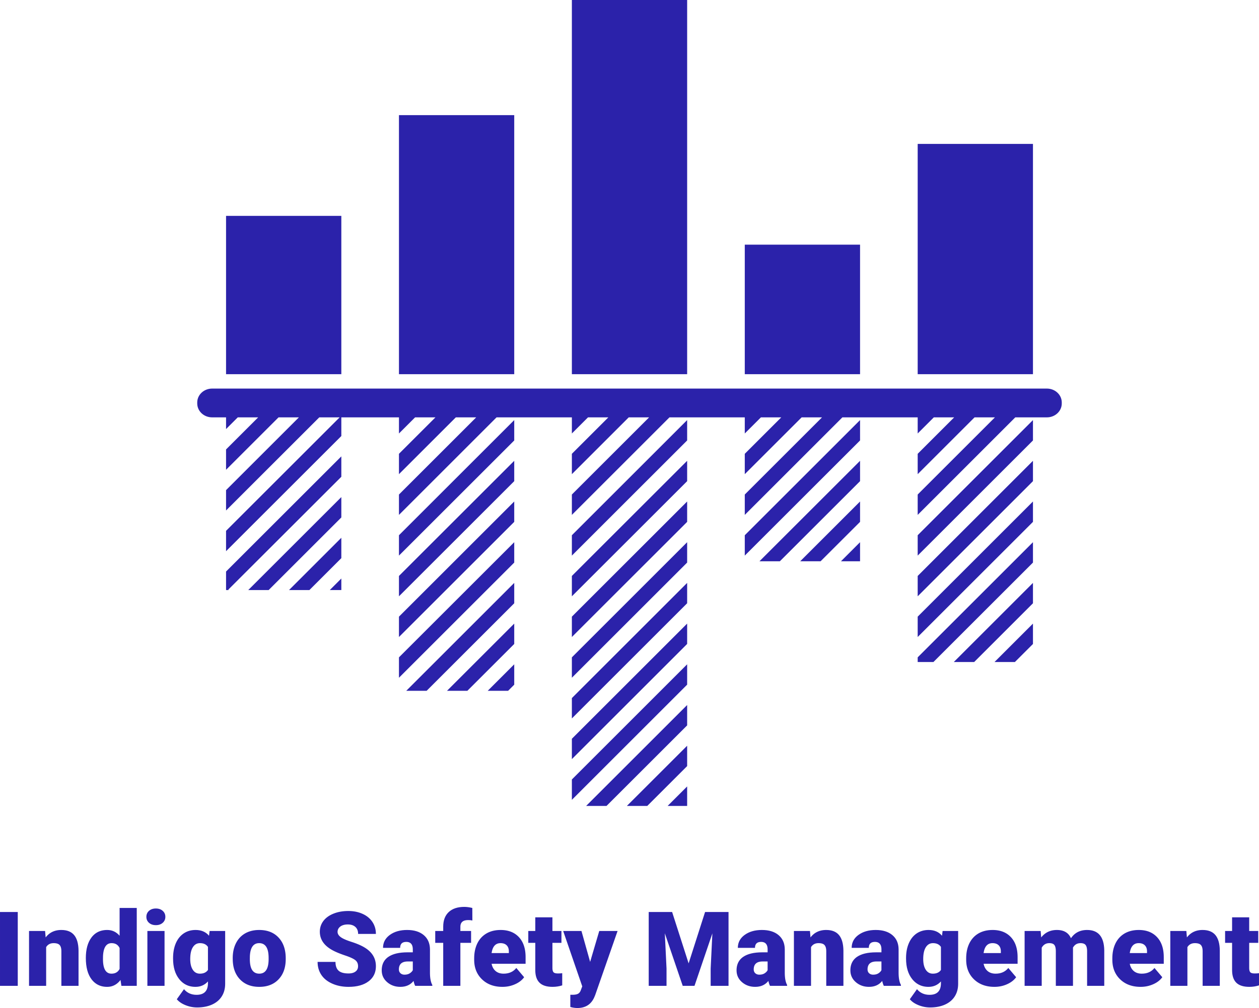
Existing Environment and considerations |  |  |  |  | Risk Key
Project Name: |  | Kitchens and Bathroom Replacement |  |  | Open | Ongoing Design Risk that is not resolved

Prepared By: |  | Helen Rees acting as PD Adviser For V2C |  |  | Closed | Eliminated / Design Eliminated Risk

Formal issue date: |  | 24.08.26 |  |  | Residual | Residual Construction Risk

Revision |  | V1 |  |  | H&S File | Transfer to H&S File

No. | Raised By: | Date | Contraint / Activity | Mitigation Measures taken |  |  | PD and Design Team Comments | Action Owner | Target Date | Date of Last Revision | Risk Status

1 | PD | 24.08.26 | Asbestos Present in Properties | An R&D survey is to be completed before work begins on site |  |  | Ensure all personell are aware of the presense of asbestos and have received suitable asbestos awareness training | PC | TBS |  | Open
2 | PD | 24.08.26 | Working in occupied properties | Prevent unaurthorised access, do not leave tools and equipment lying around and ensure all access routes are kept clear |  |  | Provide suitable RAMS to cover children and vulnerable people | PC & Client | TBS |  | Open
3 | PD | 24.08.26 | Unauthorised access to the site | Install suitable barriers,signage etc |  |  | Liaise with Client | PC | TBS |  | Open
4 | PD | 24.08.26 | Exposure to noise, dust, fumes etc | PC to submit method statement and risk assessment inclusive of permits to work. PC to adhere with all necessary counter measures in order to mitigate the risk |  |  | PCis required to continually clean areas of work to ensure dust is kept to a minimum and to reduce noise wherever possible. Liaise with tenants concerning working times etc. RAMS must take account of suitable PPE to be worn at all times | PC | TBS |  | Open
5 | PD | 24.08.26 | Working with live services | Prior to work starting on site the Contractor is to undertake adequate investigations to determine exact location of services that may affect the works. Appropriate safe methods of working to be developed accordingly.PC to ensure that they have carried out sufficient exploration to ensure that the position of all services are known |  |  | Principal Contractor must carry out review of utilities to identify isolation points and ensure work is carried out in accordance with specific RAMS for Gas and electrical work | PC & Design Team | TBS |  | Open
6 | PD | 24.08.26 | Aggressive behaviour | PC is to liaise with client with regard to working with aggressive tenants. Client to provide as much information as possible |  |  | PC to include for response to aggressive behaviour within their RAMS and should include for no lone working and emergecny procedures | PC & Client | TBS |  | Open
7 | PD | 24.08.26 | Vulnerable tenants | PC is to liaise with client with regard to working with vulnerable tenants. Client to provide as much information as possible. Tools and equipment should not be left unattended and should be removed at the end of each working day |  |  | PC to include measures within their RAMS and shold take account of noise, dust and general distrubance | PC & Client | TBS |  | Open
8

